unique
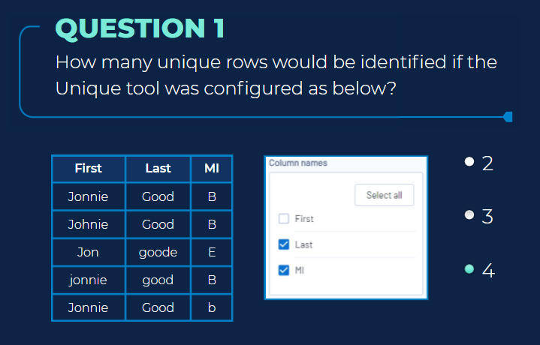
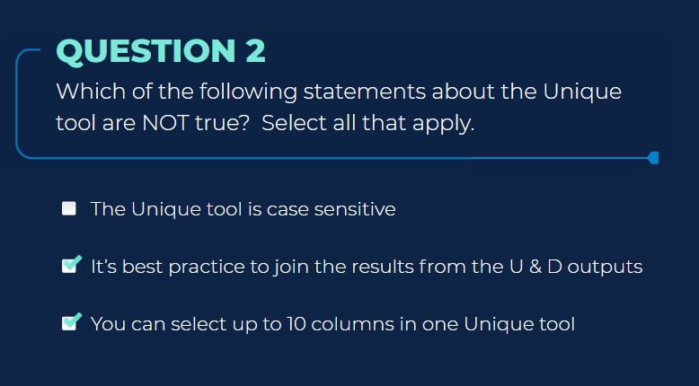

Use Unique to distinguish whether a data record is unique or a duplicate by grouping on one or more specified fields, then sorting on those fields. Configure the Tool Column Names: Select the columns where you want to find unique values. Use the Select All button to compare entire records. The data is sorted based on the Unique columns. Therefore if there is a specific sort order desired, use the Sort tool to assign the specific sort order of the file prior to using the Unique tool. Use Deselect All to deselect all fields. Output Anchors The Unique tool has 2 output anchors: U anchor: Contains the unique records from the dataset. The first record of each group is shown. D anchor: Contains the duplicate records from the dataset. The remaining records from each group are shown. Designer processes datasets from the top down and will classify a value as unique if it has not encountered that value before. Any values that were previously found in the dataset will be classified as duplicates. The Unique tool is case-sensitive, and therefore, data should be consistently cased prior to using a Unique tool. Adding a Data Cleansing tool and rerunning the workflow correctly compares the values.

Select
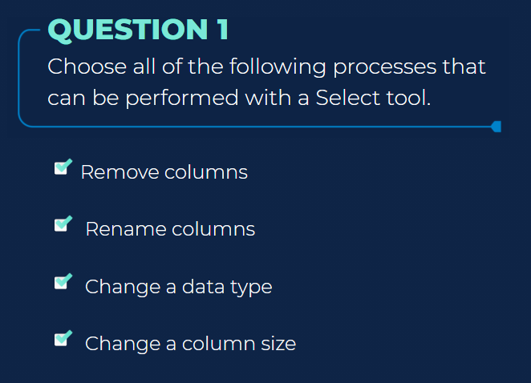
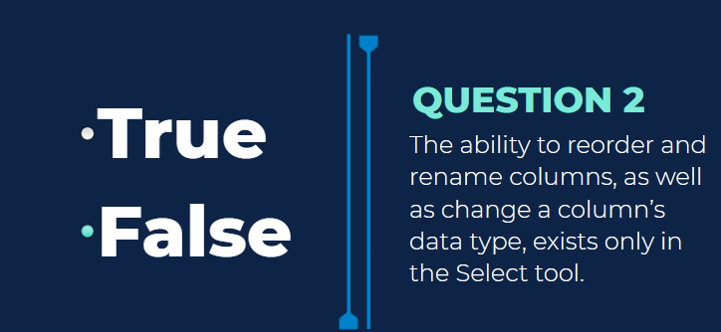
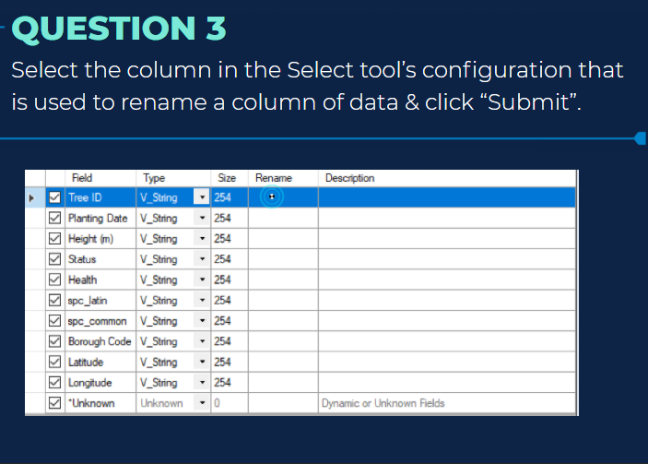
Use Select to include, exclude, and reorder the columns of data that pass through your workflow. Excluding columns can limit the data passing through a workflow and improve performance. You can also use the Select tool to modify the type and size of data, rename a column, or add a description. Other tools include the Select tool functionality, including Append Fields tool, Find Nearest tool, Join tool, Join Multiple tool, Select In-DB tool, and Spatial Match tool. Configure the Tool Use the table to modify the incoming data stream. Each row in the table represents a column in the data. The Field column in the table identifies the name of each column in the data and auto-sizes to fit column (field) names without cutting off any text (up to 40 characters) elect, Deselect, and Reorder Columns To include a column in data, select the checkbox to the left of the column name. Deselect the checkbox to exclude the column. To reorder the columns of data... Select to highlight a row, or select and drag to highlight multiple rows. Use the Move Up or Move Down arrows, or right-click and drag, to move the rows to a new location. The Unknown column is selected by default. It allows new columns in the data. Move the column to the location where you want a new column to be. Modify Data Type and Size To change the supported length (characters for string and numeric fixed decimal types) or measurement (bytes for other numeric types) of data in a column, select Size and enter a number. Size varies by data types and can be edited for fixed decimal numeric types and all string types. Use the [data type]: Forced option to ensure a column always contains the expected data type. This is helpful when creating macros. Rename a Column or Add a Description To change the name of a column, select Rename and enter the new name. To add a description, select Description and enter a description

Sort
Use Sort to arrange the records in a table in alphanumeric order based on the values of the specified data fields. Configure the Tool Use Dictionary Order: Select to enable the associated dropdown, then select a character or language set to sort by. Sort Priority Letter String Sort Example Letters are sorted alphabetically. Using the default sort, the uppercase set comes before the lowercase set. All letters without accent marks come before all letters with accent marks. Using the dictionary sort, each lowercase letter comes before the uppercase equivalent. The letters are sorted in the order of the selected language's alphabet. Select sort Fields with the dropdowns. Name: The column to sort on. Order: The sequence the output follows. The default value is Ascending. If the data is sorted on multiple columns, the Sort tool determines sorting order with the Fields list, starting with the uppermost entry. Manipulate the list sorting order with the Up, Down, and Delete buttons on the right. The Sort tool uses a stable sorting algorithm to maintain the relative order of rows that have equal sort values. Two records are input, Record1 before Record2. The records have the same value being sorted on. Record1 is before Record2 in the sorted output.
For columns classified as string data types, values are sorted alphabetically. When sorted in ascending order, values starting with letters at the beginning of the alphabet will appear at the top of the dataset, and words beginning with letters at the end of the alphabet will be at the bottom of the dataset. Sorting the values in descending order reverses these results. For numeric data, sorting in ascending order will place the smallest values at the top of the column and the largest value at the bottom; descending order will be the reverse, from largest to smallest. When Dates are sorted in ascending order, the oldest date will appear at the top of the column with the newest date at the bottom. In descending order, the most recent date will appear at the top of the column with the oldest date at the bottom.

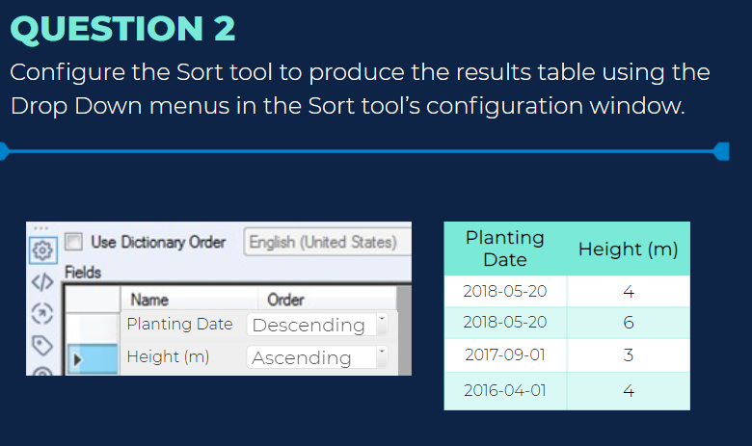
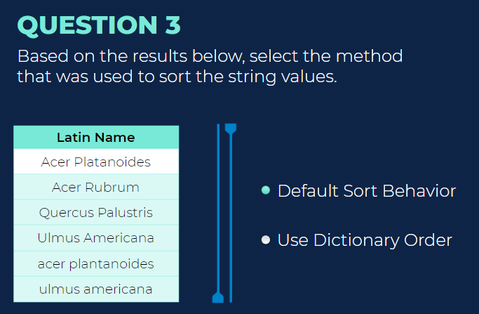
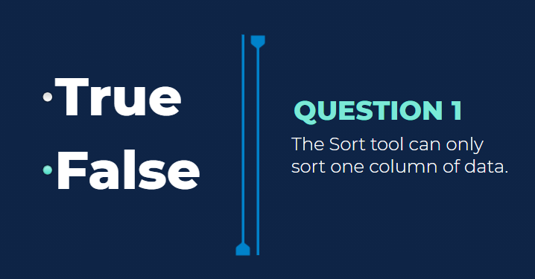

Default | English Dictionary | Swedish Dictionary
A | a | a
Y | A | A
Z | ă | y
Ă | Ă | Y
a | y | Z
y | Y | a
ă | Z | Ă

Sample Tool
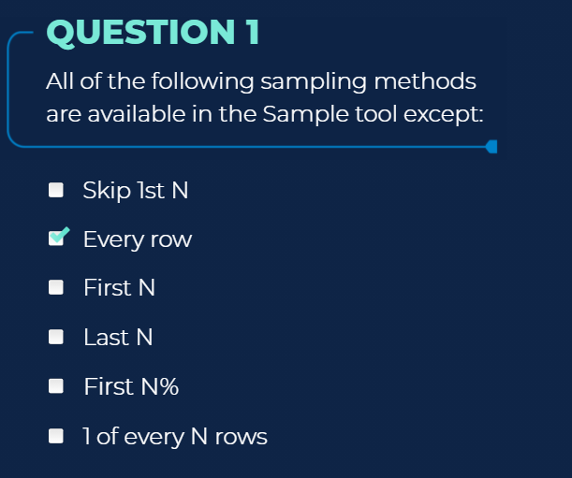
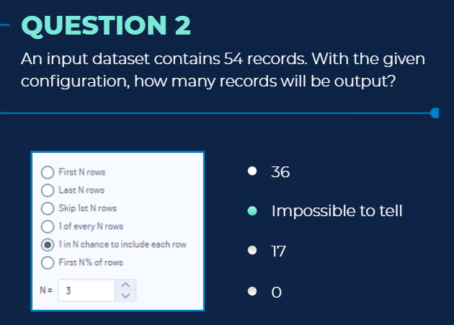
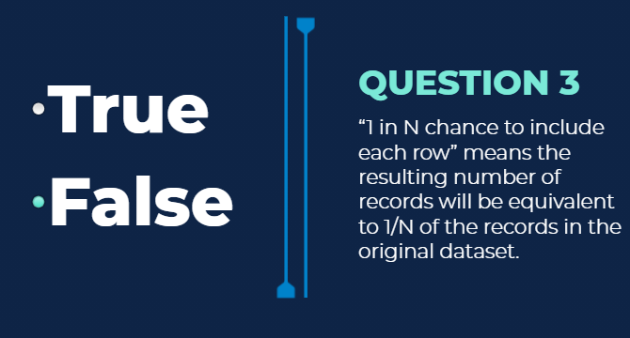
Use Sample to limit the data stream to a specified number, percentage, or random set of rows. In addition, the Sample tool applies the selected configuration to the columns selected to group by. Configure the Tool Select the type of sample. The options are... First N rows: Returns every row in the data from the beginning of the data through row N. Last N rows: Starting from the row that is N rows away from the end of the data, returns every row through to the end of the data. Skip 1st N rows: Returns all rows in the data starting after row N. 1 of every N rows: Returns the first row of every group of N rows. 1 in N chance to include each row: Randomly determines if each row is included in the sample, independent of the inclusion of any other rows. This method of selection results in N being an approximation. First N% of rows: Returns N percent of rows. This option requires the data to pass through the tool twice: once to calculate the count of rows and again to return the specified percent of rows. Enter a number in the N= box to specify the value for N. Group by column (optional): If a group or groups are specified, N rows are returned for each group.

Filter

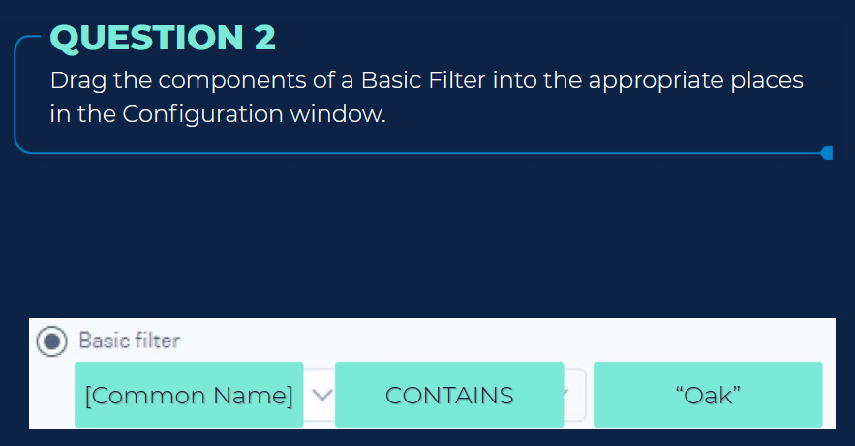
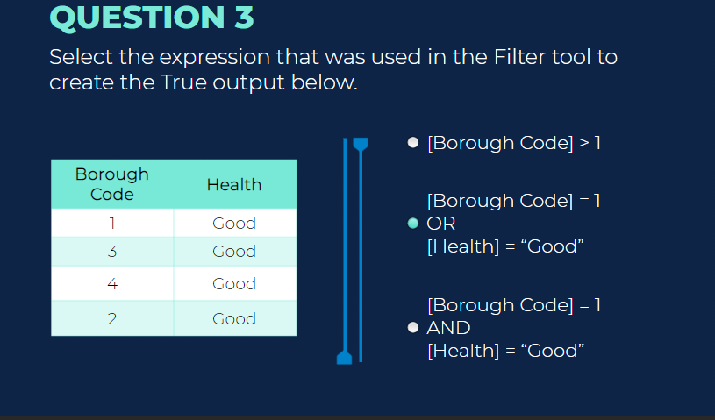
Use Filter to select data using a condition. Rows of data that meet the condition are output to the True anchor. Rows of data that do not meet the condition are output to the False anchor. The Filter tool can... Select rows by comparing a column against a static value. See an example. Select rows with or without missing data. See an example. Select rows using date-time data. See an example. Select rows using a multiple-column condition. See an example. Select rows using a compound condition. See an example. Tool Components Screenshot of the filter tool on the Designer canvas The Filter tool has 3* anchors. Input anchor: Use the input anchor to select the data you want to filter. T (True) anchor: The True anchor outputs the rows of data that meet the filter condition. F (False) anchor: The False anchor outputs the rows of data that do not meet the filter condition. *Because the Filter tool includes an expression editor, an additional input anchor displays when you use Filter in an app or macro. Use the Interface tools to connect to a Question anchor.

Cross tab
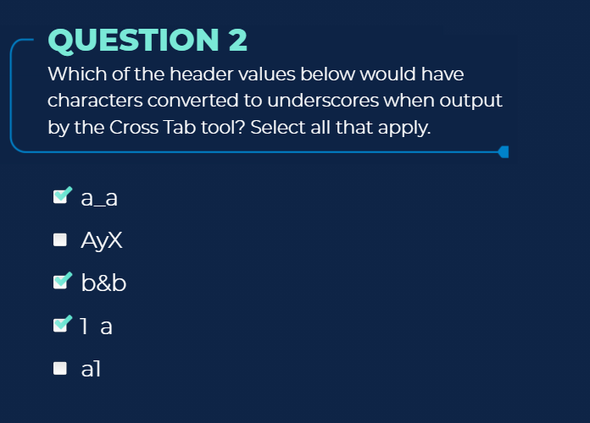
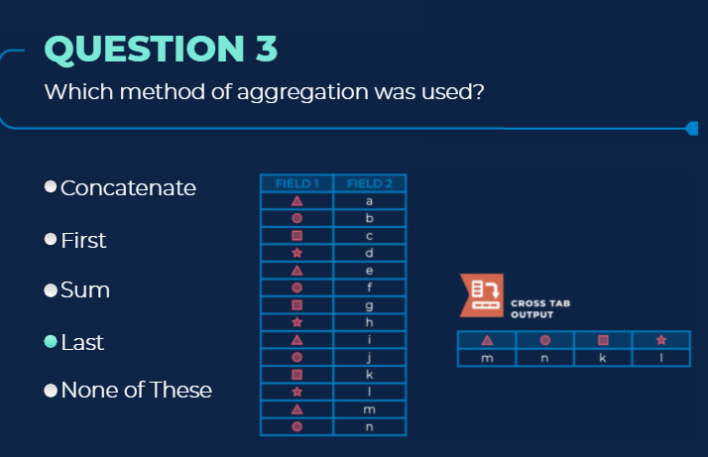
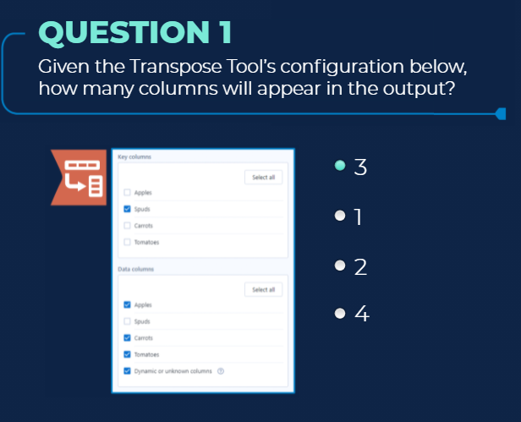
Use Cross Tab to pivot the orientation of data in a table by moving vertical data fields onto a horizontal axis and summarizing data where specified. The Cross Tab tool is the reverse application of the Transpose tool, which pivots the orientation of the data from horizontal to vertical. There is no limit to the number of rows or columns that can be passed through the Cross Tab tool. Configure the Tool A list of all available data values displays in the Group data by these values section. Select the values that should be used to group the data. Data with identical values are grouped together into a single row. Select a value from the Change Column Headers dropdown. A new column is created for each unique value. Select a value from the Values for New Columns dropdown. These values are used to populate the new columns. Select a Method for Aggregating Values for combining multiple values in a field. Available options depend on the data type of the value selected in the Values for New Columns field. Options for String data include... Concatenate: Separates the values using the separator specified in the Separator field. First: Displays the first found value. Last: Displays the last found value. Options for Number data include... Sum: Sums the values. Average: Calculates an average of the values. Count (without Nulls): Counts the number of values excluding null values. Count (with Nulls): Counts the number of values including null values. Percent Row: Calculates a percent based on the values. Percent Column: Calculates a percent based on the values. Total Column: Totals all of the values. Total Row: Adds a new row containing a total of the values. When you choose one or more of the methods above, an abbreviation for that method will be prepended to the column header, unless Sum, First, or Last is the only method selected. AVG_FieldValue, SUM_FieldValue, COUNT_FieldValue. The character specified in the Separator field is automatically added betwee

 | b&b,1 a | space and special characters

Summerize
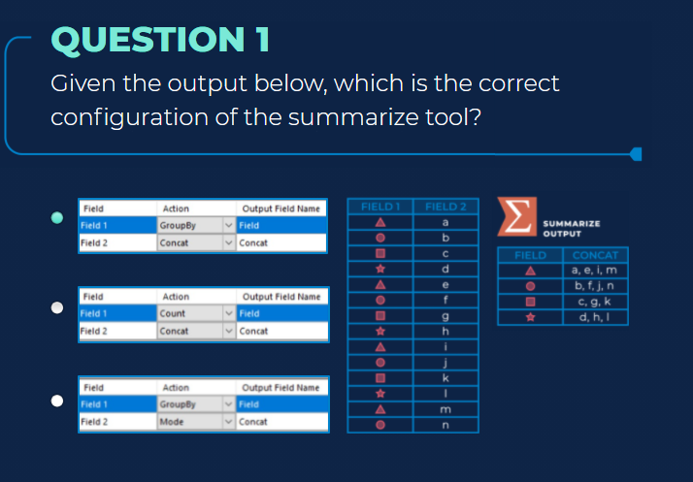
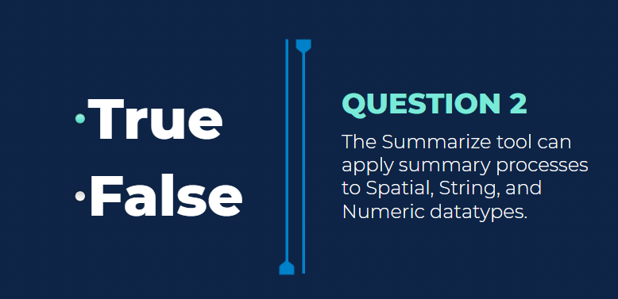
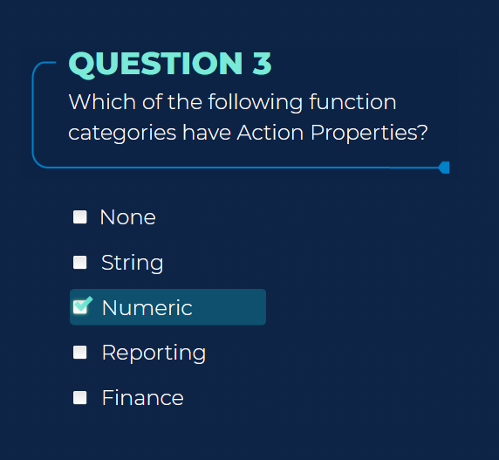
Use Summarize to perform various Actions (functions and calculations) on your data. The Summarize tool can... Return the sum for a column of data. The sum is calculated by adding all of the rows in the column. Return the minimum or maximum value in a column. Count the number of rows in a column. Group a column of data by identical values. Concatenate string values. Perform a variety of mathematical calculations. Perform spatial object processing. The Summarize tool has 2 anchors: Input anchor: The input anchor connects to the data you want to perform actions on. Output anchor: The output anchor displays only the results of your actions. Use the Join tool to join the results of a Summarize tool with the original data Function property on which action can be performed Finance Numeric String Spatial Behavior Analysis Report

 | finance, string, numeric and reporting

text to columns
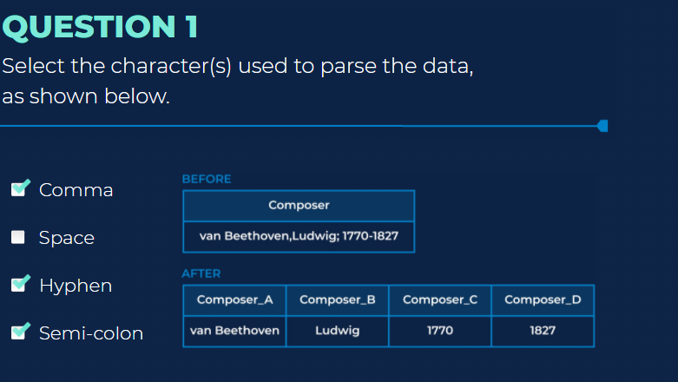
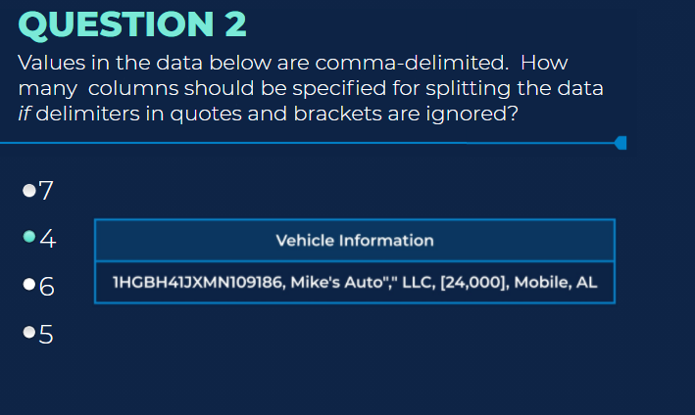
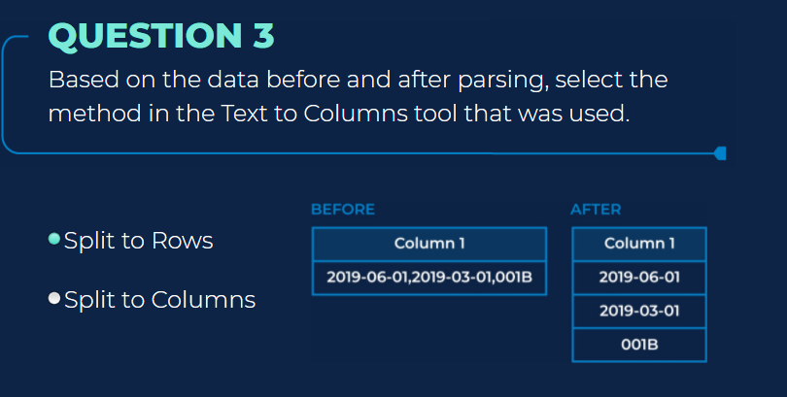
Use Text To Columns to take the text in one column and split the string value into separate, multiple columns (or rows), based on a single or multiple delimiters. Configure the Tool Select the Column to split. Delimiters: Enter the delimiters to use to split the data. Each character is treated independently, meaning you cannot delimit on a word. To split data on a word, use the RegEx tool. You can use individual characters or the white space characters from this table: White Space White Space Character Tab \t New Line \n Space \s Space or Tab \s\t Choose the split method: Split to columns: Split a single column of data at each instance of the specified delimiter into multiple columns. Number of columns: Set how many columns to create. Extra characters: Let Alteryx know what you want it to do with any extra characters left over. Visit the Alteryx Community Tool Mastery Article for tips and tricks including how to find out how many columns your data will be parsed into.​​​ Leave extra in last column: Data that extends past the split is appended to the value in the last column. Drop extra with warning: Data that extends past the split is dropped and a warning is generated indicating that there was excess information. Drop extra without warning: Data that extends past the split is dropped and no warning is generated. Error: Data that extends past the split causes an error and the workflow stops processing. Output root name: Enter the name for the newly generated columns. The new columns are named as the root name with a serially increasing integer appended. Split to rows: Split a single column of data at each instance of the specified delimiter into multiple rows. Use a key column in your record so you don't lose track of which value came from which row. In Advanced Options, select delimiters to ignore: Ignore Delimiters in Quotes Ignore Delimiters in Single Quotes Ignore Delimiters in Parentheses Ignore Delimiters in Brackets Skip Empty Columns

 | 5

